Section 5
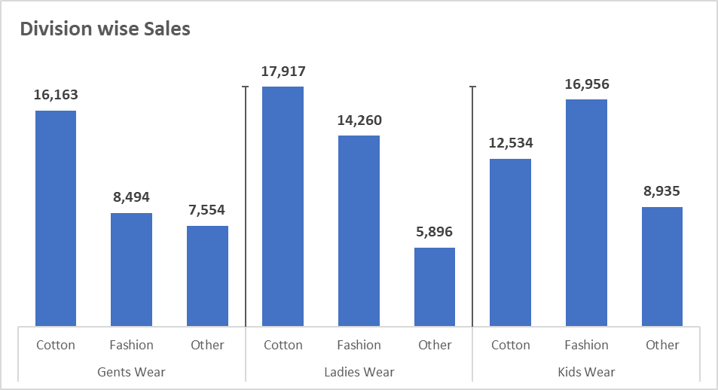
1 | Insert 2 form control (Option Button) in same sheet and link it with cell |  |  |  | Division | Type | Sales Rs.
2 | Create a drop-down in cell and set the formula for dynamic drop-down in cell G15 |  | VEGETABLES | FRUITS | Gents Wear | Cotton | 16,163
 | Set the formula, |  | TOMATO | GRAPES |  | Fashion | 8,494
 | -> If 1st Option button is selected Grapes, Banana, Mango, Apple should diplay in dropdown in cell G15 |  | ONION | BANANA |  | Other | 7,554
 | -> If 2nd Option button is selected Tomoto, Onion, Lady Finger, Potato should display in dropdown in cell G15 |  | LADY FINGER | MANGO | Ladies Wear | Cotton | 17,917
3 | Refer data in Range G3 to I12. Prepare the similar graph shown in image beside the table |  | POTATO | APPLE |  | Fashion | 14,260
4 | Create new workbook and in that create one macro, by which all cell which has formulas, can be pasted as values. |  |  |  |  | Other | 5,896
 |  |  |  |  | Kids Wear | Cotton | 12,534
 | QUESTION1 | 2 | (CELL LINKED HERE WITH THE OPTION BUTTONS) |  |  | Fashion | 16,956
 |  |  |  |  |  | Other | 8,935
 |  |  |  |  |  |  |  | QUESTION 3
Division wise Sales
 |  |  |  |  | QUESTION 2
 |  |  |  |  | ONION | (DATA VALIDATION APPLIED HERE)

